Hoja 1
Tiempo (t) | Dato (yt​) | Cálculo (k=3) | EMA (Resultado) | a = | 0.3
1 | 10 | Inicila | 10.00 | (1-a) = | 0.7
2 | 12 | (0.3 * 12) + (0.7 * 10) | 10.60
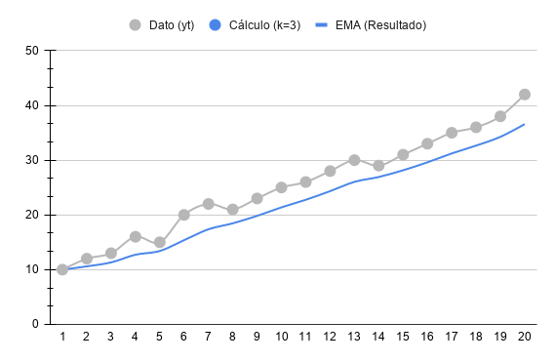
3 | 13 | (0.3 * 13) + (0.7 * 10.6) | 11.32
4 | 16 | (0.3 * 16) + (0.7 * 11.32) | 12.72
5 | 15 | (0.3 * 15) + (0.7 * 12.72) | 13.41
6 | 20 | (0.3 * 20) + (0.7 * 13.41) | 15.38
7 | 22 | (0.3 * 22) + (0.7 * 15.38) | 17.37
8 | 21 | (0.3 * 21) + (0.7 * 17.37) | 18.46
9 | 23 | (0.3 * 23) + (0.7 * 18.46) | 19.82
10 | 25 | (0.3 * 25) + (0.7 * 19.82) | 21.37
11 | 26 | (0.3 * 26) + (0.7 * 21.37) | 22.76
12 | 28 | (0.3 * 28) + (0.7 * 22.76) | 24.33
13 | 30 | (0.3 * 30) + (0.7 * 24.33) | 26.03
14 | 29 | (0.3 * 29) + (0.7 * 26.03) | 26.92
15 | 31 | (0.3 * 31) + (0.7 * 26.92) | 28.15
16 | 33 | (0.3 * 33) + (0.7 * 28.15) | 29.60
17 | 35 | (0.3 * 35) + (0.7 * 29.6) | 31.22
18 | 36 | (0.3 * 36) + (0.7 * 31.22) | 32.66
19 | 38 | (0.3 * 38) + (0.7 * 32.66) | 34.26
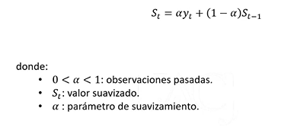
20 | 42 | (0.3 * 42) + (0.7 * 34.26) | 36.58

